QUOTE FORM
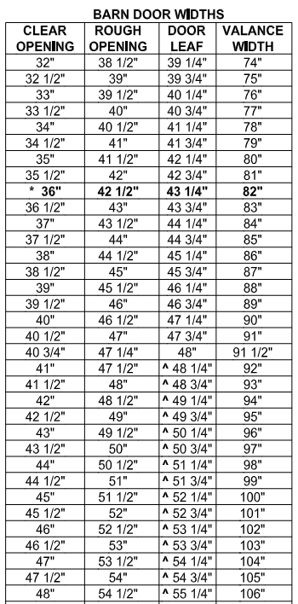
 |  |  |  | QUOTE REQUEST FORM |  |  |  | To edit spreadsheet - Select "Enable Editing" above

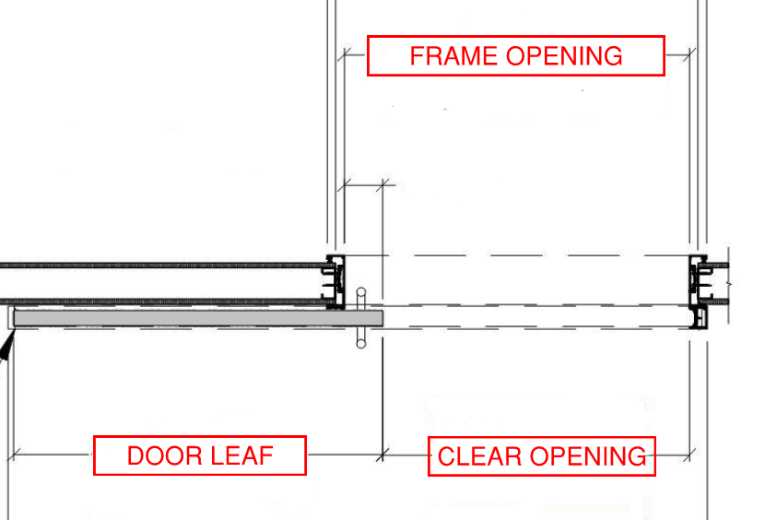
E-mail: | adsystems.estimating@allegion.com |  |  |  |  |  |  | Frame Opening = Clear Opening Plus (+) 4.5"
Phone: | 425.740.6011

DATE: |  |  |  | Date of Delivery:
Company Name: |  |  |  | Bid Date:
Company Address: |  |  |  | Architect Name:
City, State Zip Code: |  |  |  | Architect Location:
Contact Name: |  |  |  | End User:
Contact Email:
Contact Phone:
Project Name:
Project Address:
City, State Zip Code:
Specs Attached?
Approved Equals?

PLEASE INDICATE WHICH DIMENSIONS YOU WILL BE LISTING BY USING DROP DOWN SELECTION TO THE RIGHT |  |  |  |  |  |  |  | Clear Opening Size
Actual dimensions will then be entered in the form below
To add more doors - Insert Row above last line

Elevation Number | Door Qty | Width | Height | Elevation Configuration | Frame Finish | Door Leaf Type | Wood Door Face/Veneer | Is FSC Required for Wood Doors | No Added UF | Aluminum Door Finish | Door Glass Type | Glass Size | Wall Thickness | Pulls/Lock Type (See New Hardware Selcetion Guide) | Lock Description | AutoMotion Auto Operator | Spring Loaded Mechanical Self Closer (Upgraded Add-On Option In Addition to Our Standard Soft Self Close Dampeners) | Acoustic Drop-Down Seal | Magnetic Lock | Rating | Lead Lined | Sidelite Width
 |  |  |  |  |  |  |  |  |  |  |  |  |  |  | #N/A
 |  |  |  |  |  |  |  |  |  |  |  |  |  |  | #N/A
 |  |  |  |  |  |  |  |  |  |  |  |  |  |  | #N/A
 |  |  |  |  |  |  |  |  |  |  |  |  |  |  | #N/A
 |  |  |  |  |  |  |  |  |  |  |  |  |  |  | #N/A
 |  |  |  |  |  |  |  |  |  |  |  |  |  |  | #N/A
 |  |  |  |  |  |  |  |  |  |  |  |  |  |  | #N/A
 |  |  |  |  |  |  |  |  |  |  |  |  |  |  | #N/A
 |  |  |  |  |  |  |  |  |  |  |  |  |  |  | #N/A
 |  |  |  |  |  |  |  |  |  |  |  |  |  |  | #N/A
 |  |  |  |  |  |  |  |  |  |  |  |  |  |  | #N/A
 |  |  |  |  |  |  |  |  |  |  |  |  |  |  | #N/A
 |  |  |  |  |  |  |  |  |  |  |  |  |  |  | #N/A
 |  |  |  |  |  |  |  |  |  |  |  |  |  |  | #N/A
 |  |  |  |  |  |  |  |  |  |  |  |  |  |  | #N/A
 |  |  |  |  |  |  |  |  |  |  |  |  |  |  | #N/A
 |  |  |  |  |  |  |  |  |  |  |  |  |  |  | #N/A
 |  |  |  |  |  |  |  |  |  |  |  |  |  |  | #N/A
 |  |  |  |  |  |  |  |  |  |  |  |  |  |  | #N/A
 |  |  |  |  |  |  |  |  |  |  |  |  |  |  | #N/A
 |  |  |  |  |  |  |  |  |  |  |  |  |  |  | #N/A
 |  |  |  |  |  |  |  |  |  |  |  |  |  |  | #N/A
 |  |  |  |  |  |  |  |  |  |  |  |  |  |  | #N/A
 |  |  |  |  |  |  |  |  |  |  |  |  |  |  | #N/A
 |  |  |  |  |  |  |  |  |  |  |  |  |  |  | #N/A
 |  |  |  |  |  |  |  |  |  |  |  |  |  |  | #N/A
 |  |  |  |  |  |  |  |  |  |  |  |  |  |  | #N/A
 |  |  |  |  |  |  |  |  |  |  |  |  |  |  | #N/A
 |  |  |  |  |  |  |  |  |  |  |  |  |  |  | #N/A
 |  |  |  |  |  |  |  |  |  |  |  |  |  |  | #N/A
 |  |  |  |  |  |  |  |  |  |  |  |  |  |  | #N/A
 |  |  |  |  |  |  |  |  |  |  |  |  |  |  | #N/A
 |  |  |  |  |  |  |  |  |  |  |  |  |  |  | #N/A
 |  |  |  |  |  |  |  |  |  |  |  |  |  |  | #N/A
 |  |  |  |  |  |  |  |  |  |  |  |  |  |  | #N/A
 |  |  |  |  |  |  |  |  |  |  |  |  |  |  | #N/A
 |  |  |  |  |  |  |  |  |  |  |  |  |  |  | #N/A
 |  |  |  |  |  |  |  |  |  |  |  |  |  |  | #N/A
 |  |  |  |  |  |  |  |  |  |  |  |  |  |  | #N/A
 |  |  |  |  |  |  |  |  |  |  |  |  |  |  | #N/A

